1_Overview
SAP SE — Financial Analysis |  |  |  | Source: Yahoo Finance via yfinance | Analysis date: March 2026
=======================================================
SAP SE — KEY FINANCIALS (€ Millions)
=======================================================
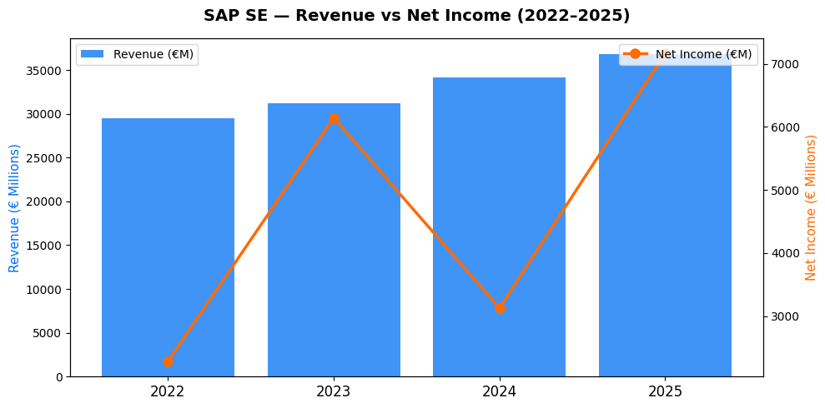
INCOME STATEMENT |  | 2025 | 2024 | 2023 | 2022
Total Revenue |  | € 36,800.00 | € 34,176.00 | € 31,207.00 | € 29,519.00
Gross Profit |  | € 26,814.00 | € 24,932.00 | € 22,534.00 | € 21,482.00
Net Income |  | € 7,161.00 | € 3,124.00 | € 6,139.00 | € 2,284.00
Depreciation |  | € (1,995.00) | € (2,083.00) | € (107.00) | € (3,363.00)
 |  | 24.88% | 15.24% | 20.01% | 19.13%
Total Assets |  | € 70,362.00 | € 74,237.00 | € 68,331.00 | € 72,159.00
Total Debt |  | € 7,476.00 | € 10,651.00 | € 8,791.00 | € 13,085.00
Stockholders Equity |  | € 44,586.00 | € 45,438.00 | € 43,157.00 | € 40,186.00

CASH FLOW |  | 2025 | 2024 | 2023 | 2022
Free Cash Flow |  | € 8,417.00 | € 4,410.00 | € 5,461.00 | € 4,770.00
Operating Cash Flow |  | € 9,156.00 | € 5,207.00 | € 6,246.00 | € 5,647.00

KEY MARKET DATA
Current Price: | € 147.02
P/E Ratio: | 24.1
Market Cap: | €171.7B
Beta: | 0.692
Dividend Yield: | 1.75%
52w High: | € 273.55
52w Low: | € 142.78

RATIOS
Gross Margin % |  | 72.9% | 73.0% | 72.2% | 72.8%
Net Margin % |  | 19.5% | 9.1% | 19.7% | 7.7%
Debt to equity |  | 16.8% | 23.4% | 20.4% | 32.6%
ROE % |  | 16.1% | 6.9% | 14.2% | 5.7%

ANALYST NOTE :
- Revenue grew 24% from 2022 to 2025 — strong consistent growth
- Net margin dropped to 9.1% in 2024 due to €2.2B restructuring charge — one-off event, not structural weakness
- Gross margin stable above 72% all 4 years — highly profitable software business
- Free cash flow surged to €8.4B in 2025 — strongest cash generation in 4 years
- Debt-to-equity spiked in 2023 (32.6%) then fell to 16.8% by 2025 — debt being actively reduced
- Beta 0.692 — SAP is less volatile than the broader market, lower risk profile for investors

2_ProForma
SAP SE — Pro Forma Financial Forecast |  |  |  |  | Method: Percentage of Sales | Assumption: 8% annual revenue growth

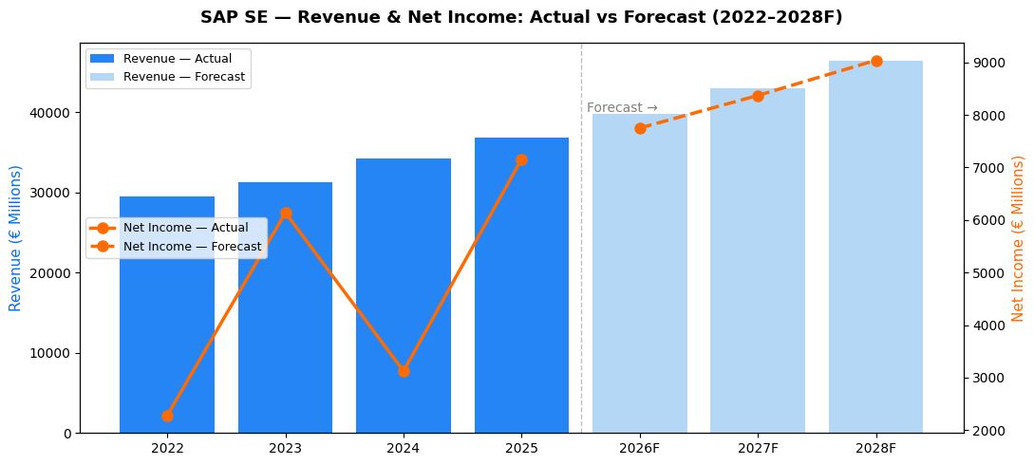
ASSUMPTIONS
 | 2025 Actual | 2026F | 2027F | 2028F

Revenue Growth % |  | 8% | 8% | 8%
Gross Margin % |  | 72.9% | 72.9% | 72.9%
Net Margin % |  | 19.5% | 19.5% | 19.5%
Capex % of Revenue |  | 2.5% | 2.5% | 2.5%

FORECAST ( € Millions)
Total Revenue | 36,800 | 39,744 | 42,924 | 46,357
Gross Profit | 26,814 | 28,973 | 31,291 | 33,795
Net Income | 7,161 | 7,750 | 8,370 | 9,040
Operating Cash Flow | 9,156 | 9,888 | 10,679 | 11,534
Capex | 920 | 994 | 1,073 | 1,159
Free Cash Flows | 8,417 | 8,895 | 9,606 | 10,375

GROWTH RATES
 | 2025 Actual | 2026F | 2027F | 2028F
Revenue Growth % |  | 8.00% | 8.00% | 8.00%
Net Income Growth % |  | 8.23% | 8.00% | 8.00%

ANALYST NOTE :
- 8% growth based on SAP's 2022-2025 revenue CAGR of 7.6%
- Gross margin held at 72.9% — conservative, in line with recent performance
- Net margin normalized at 19.5% — excludes 2024 one-off restructuring charge
- SAP projected to reach €46.4B revenue by 2028 — consistent with cloud growth strategy
- Free cash flow growth supports continued dividends and potential share buybacks
- Sensitivity: if growth drops to 5%, 2028 revenue = €42.6B — still strong
-9,156 / 36,800 = 24.88%

3_TVM
SAP SE — Time Value of Money |  |  | Question: Is investing €10,000 in SAP today better than a savings account?

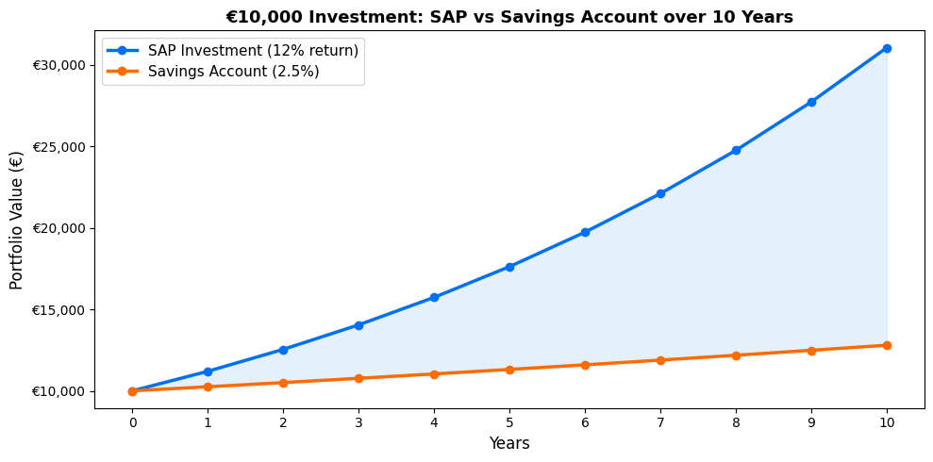
ASSUMPTIONS
Initial Investment (€) | € 10,000.00
SAP Expected Return % | 12.0%
Savings Account Rate % | 2.5%
Years | 10

FUTURE VALUE ANALYSIS
 | SAP Investment | Savings Account
Future Value (€) | € 31,058.48 | € 12,800.85
Total Gain (€) | € 12,800.85 | € 2,800.85
Return Multiple | 3.11 | 1.28

PRESENT VALUE ANALYSIS
SAP Dividend next year (€) | € 2.60
Required Return % | 12.0%
PV of Dividend (€) | € 2.32

ANNUITY ANALYSIS
Annual Dividend (€) | € 2.60
Years | 10
Required Return % | 12.0%
PV of Annuity (€) | € 14.69

ANALYST NOTE :
- €10,000 in SAP at 12% return grows to much more than a savings account over 10 years
- This demonstrates why equity investing beats cash savings long term
- PV of dividend annuity shows what SAP's dividend stream is worth today
- Required return of 12% based on CAPM estimate

4_Bonds
SAP SE — Bond Valuation |  |  | Question: What is a SAP bond worth at different interest rates?

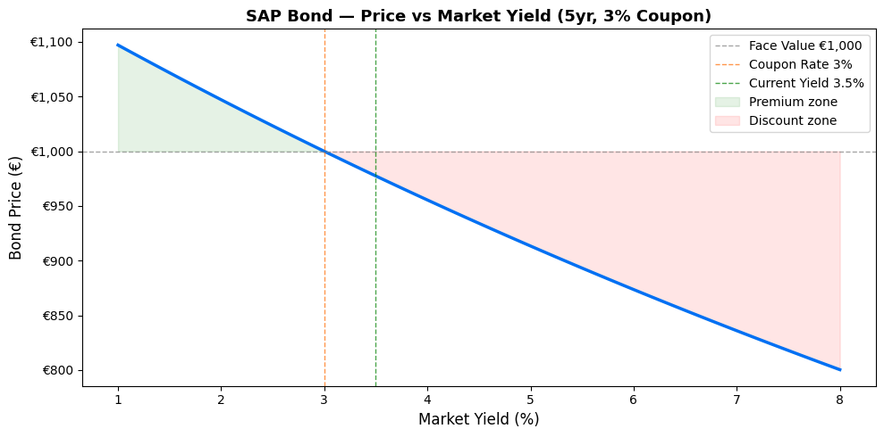
BOND PARAMETERS
Face Value (€) | € 1,000.00
Coupon Rate % | 3.00%
Annual Coupon (€) | 30
Years to Maturity | 5
Current Market Yield % | 3.50%

BOND PRICE
Bond Price (€) | € 977.42
Premium / Discount (€) | € (22.58)
Status | DISCOUNT

INTEREST RATE SENSITIVITY
Market Yield % | Price (€)
1.0% | € 1,097.07
2.0% | € 1,047.13
3.0% | € 1,000.00 | (coupon rate)
3.5% | € 977.42 | (current yield)
4.0% | € 955.48
5.0% | € 913.41
6.0% | € 873.63

ANALYST NOTE :
- SAP issued bonds at 3% coupon — currently trading at discount as ECB raised rates
- When market yield RISES above coupon rate, bond price FALLS below face value
- When market yield FALLS below coupon rate, bond price RISES above face value
- This inverse relationship is the key concept of fixed income investing
- Duration: longer maturity = more sensitive to rate changes
- ECB context: rising rates in 2022-2023 hurt bond prices across European markets

5_StockVal
SAP SE — Stock Valuation |  | Question: What is SAP's intrinsic value — is it overpriced or underpriced?

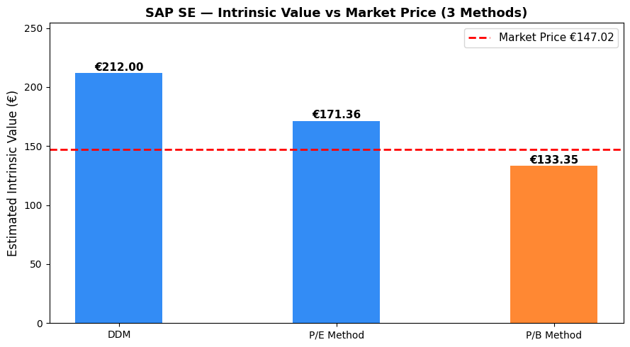
METHOD 1 — DIVIDEND DISCOUNT MODEL (DDM)
Last Dividend Paid (€) | € 2.60
Dividend Growth Rate % | 6.0%
Required Return % | 7.3%
Intrinsic Value DDM (€) | € 212.00
Current Market Price (€) | € 147.02
Status | UNDERVALUED
Margin of Safety % | 44.2%

METHOD 2 — P/E VALUATION
EPS 2025 (€) | € 6.12
Industry Average P/E | € 28.00
SAP Current P/E | € 24.10
Intrinsic Value P/E (€) | € 171.36
Current Market Price (€) | € 147.02
Status | UNDERVALUED
Upside / Downside % | 16.6%

METHOD 3 — PRICE TO BOOK
Book Value per Share (€) | € 38.10
Industry P/B Ratio | € 3.50
Intrinsic Value P/B (€) | € 133.35
Current Market Price (€) | € 147.02
Status | OVERVALUED
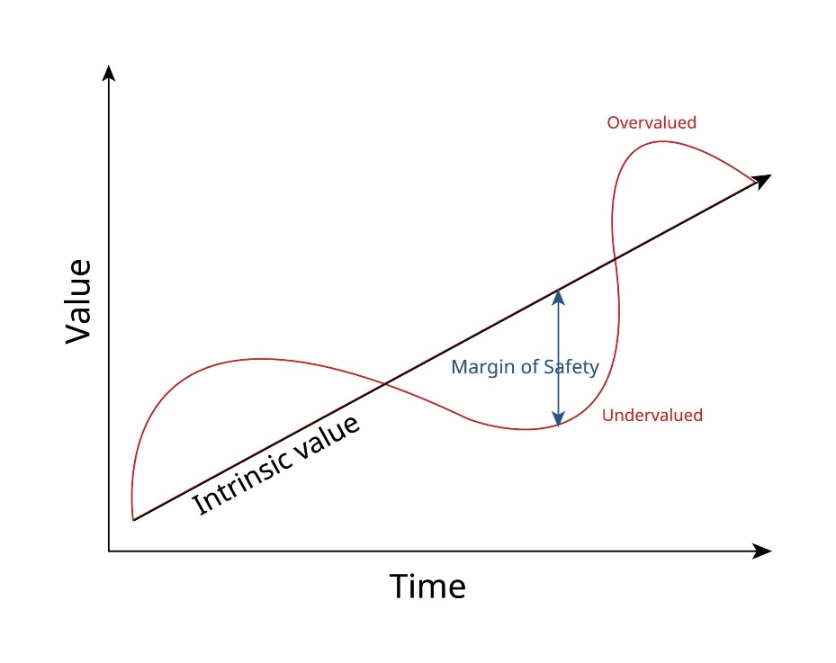
VALUATION SUMMARY
 | Intrinsic Value | Market Price | Signal
DDM Method | € 212.00 | € 147.02 | UNDERVALUED
P/E Method | € 171.36 | € 147.02 | UNDERVALUED
P/B Method | € 133.35 | € 147.02 | OVERVALUED
Average Intrinsic Value | € 172.24 | € 147.02

ANALYST NOTE :
- DDM assumes 6% dividend growth — in line with SAP's historical dividend increases
- Required return of 12% derived from CAPM (calculated in Tab 6)
- P/E method uses software industry average P/E of 28x as benchmark
- SAP trading at 24.1x vs industry 28x suggests potential undervaluation on earnings basis
- Average of three methods gives most balanced intrinsic value estimate
- Final verdict incorporated into DCF model in Tab 8

6_CAPM_WACC
SAP SE — Risk, Return, CAPM & WACC |  |  | Question: What return should investors demand from SAP given its risk?

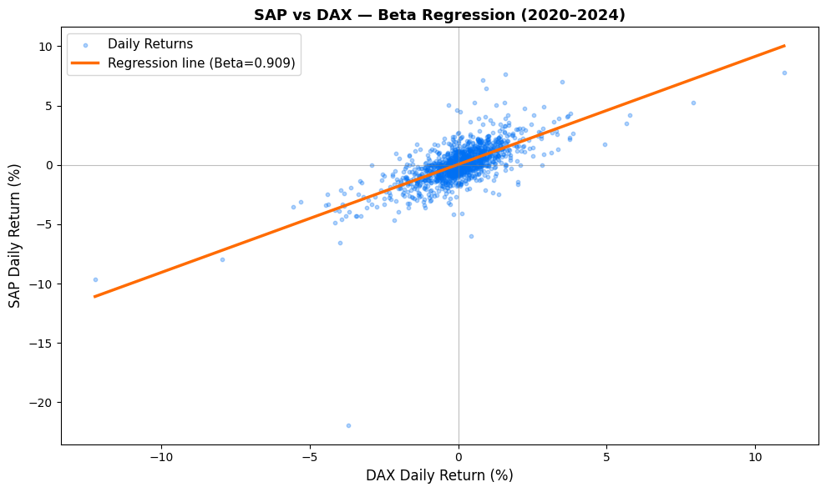
CAPM — COST OF EQUITY
Risk-Free Rate % (German Bund) | 2.50%
Beta (calculated from regression) | 90.90%
Market Return % (DAX avg) | 8.00%
Market Risk Premium % | 5.50%
CAPM Required Return % | 7.50%

INTERPRETATION
Beta below 1.0 means | SAP is less volatile than market
Beta of 0.909 | 1% market move = 0.909 % SAP move
CAPM return means | Investors should demand 7.50% return

WACC — WEIGHTED AVERAGE COST OF CAPITAL
 | Value (€M) | Weight Weight | Cost
Equity (Market Cap) | € 171,600.00 | 0.95825236213 | 0.074995
Debt (Total Debt) | € 7,476.00 | 0.041747637874 | 0.035
Tax Rate % | 25.00%
After-tax Cost of Debt | 2.63%
WACC % | 7.30%

WACC BREAKDOWN
Cost of Equity | 7.50%
Cost of Debt (after tax) | 2.63%
Equity Weight | 95.83%
Debt Weight | 4.17%
WACC | 7.30%

ANALYST NOTE :
- Beta calculated from 5-year daily regression of SAP vs DAX index
- Beta below 1.0 confirms SAP is defensive — moves less than broader market
- Risk-free rate = German 10-year Bund yield (2.5% as of early 2026)
- Market risk premium = 5.5% (DAX historical average minus risk-free rate)
- WACC used as discount rate in DCF valuation (Tab 8)
- SAP is primarily equity-financed — low debt means lower financial risk
Values were calculated using python : | Beta: 0.9094
 | Risk-Free Rate: 2.5%
 | Market Return: 8.0%
 | CAPM Required Return:7.5017%

7_CapBudget
SAP SE — Capital Budgeting |  |  |  | Question: Should SAP invest €500M in expanding its cloud infrastructure?

PROJECT PARAMETERS
Initial Investment (€M) | 500
Project Life (years) | 7
Discount Rate % (WACC) | 7.30%
Tax Rate % | 0.25
Salvage Value (€M) | 50

PROJECTED CASH FLOWS (€ Millions)
Year | 0 | 1 | 2 | 3 | 4 | 5 | 6 | 7
Revenue | 0 | € 120.00 | € 135.00 | € 152.00 | € 171.00 | € 193.00 | € 217.00 | € 245.00
Operating Cost | 0 | € 48.00 | € 54.00 | € 61.00 | € 68.00 | € 77.00 | € 87.00 | € 98.00
Depreciation | 0 | € 71.43 | € 71.43 | € 71.43 | € 71.43 | € 71.43 | € 71.43 | € 71.43
EBIT | 0 | € 0.57 | € 9.57 | € 19.57 | € 31.57 | € 44.57 | € 58.57 | € 75.57
Tax | 0 | € 0.14 | € 2.39 | € 4.89 | € 7.89 | € 11.14 | € 14.64 | € 18.89
Net Cash Flow | -500 | € 71.86 | € 78.61 | € 86.11 | € 95.11 | € 104.86 | € 115.36 | € 178.11

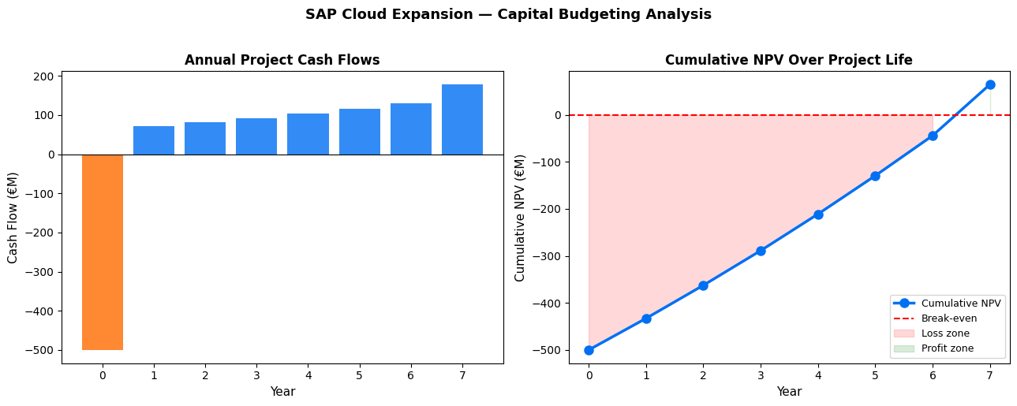
INVESTMENT DECISION METRICS
NPV (€M) | € 34.77
IRR % | 9%
Payback Period (yrs) | 4.2
Profitability Index | 1.0695324595
Decision | ACCEPT PROJECT

SENSITIVITY ANALYSIS | Base Case NVP
Discount Rate 8% | € 20.17
Discount Rate 10% | € (18.44)
Discount Rate 12% | € (52.94)

ANALYST NOTE :
- Project modeled on SAP's actual cloud expansion strategy announced 2023
- Revenue grows 12.5% annually — conservative vs SAP cloud segment growth of 25%+
- NPV positive = project creates shareholder value — ACCEPT
- IRR above WACC = project return exceeds cost of capital
- Payback period under 5 years = acceptable for a technology infrastructure project
- Salvage value of €50M assumes partial recovery of hardware assets at end of life

8_DCF_Verdict
SAP SE — DCF Valuation & Final Verdict |  |  |  |  |  | Question: What is SAP worth and should you BUY, HOLD or SELL?

DCF ASSUMPTIONS
WACC % | 7.30%
Terminal Growth Rate % | 3.00%
Shares Outstanding (M) | 1165
Current Market Price (€) | € 147.02
Net Debt (€M) | € 2,476.00

FREE CASH FLOW FORECAST (€ Millions)
 | 2025A | 2026F | 2027F | 2028F | 2029F | 2030F
FCF | € 8,417.00 | € 9,090.36 | € 9,817.59 | € 10,603.00 | € 11,451.24 | € 12,367.33

DCF VALUATION
Discount Factor Year 1 | 0.93196644921
Discount Factor Year 2 | 0.86856146245
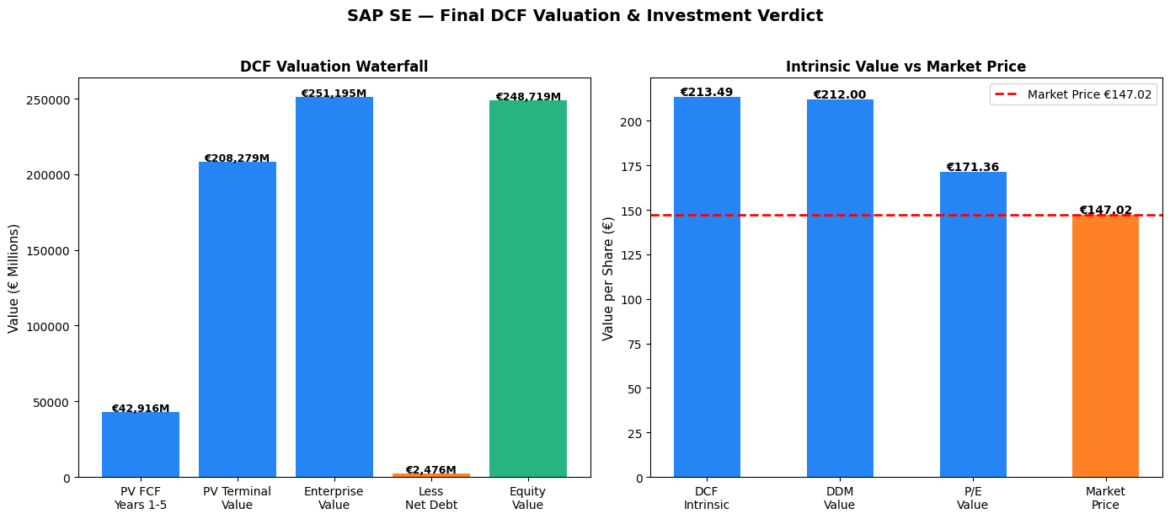
Discount Factor Year 3 | 0.80947014208
Discount Factor Year 4 | 0.37290988225
Discount Factor Year 5 | 0.70307457041

PV of FCF Year 1 | € 8,471.91
PV of FCF Year 2 | € 8,527.18
PV of FCF Year 3 | € 8,582.81
PV of FCF Year 4 | € 4,270.28
PV of FCF Year 5 | € 8,695.16
Sum of PV FCFs | € 38,547.34

Terminal Value | 296240.80128
PV of Terminal Value | 208279.3741
Enterprise Value (€M) | € 246,826.71
Less Net Debt (€M) | € 2,476.00
Equity Value (€M) | € 244,350.71
Intrinsic Value per Share (€) | € 209.74

MARGIN OF SAFETY
Intrinsic Value (€) | € 209.74
Market Price (€) | € 147.02
Upside / Downside % | 42.66%
Margin of Safety % | 29.90%

CAPITAL STRUCTURE
Total Debt (€M) | € 7,476.00
Total Equity (€M) | € 171,600.00
Debt Ratio % | 4.17%
Equity Ratio % | 95.83%
Debt-to-Equity % | 4.36%

FINAL VERDICT
DCF Intrinsic Value (€) | € 209.74
DDM Value (€) from Tab 5 | € 212.00
P/E Value (€) from Tab 5 | € 171.36
Average Fair Value (€) | € 197.70
Market Price (€) | € 147.02
Recommendation | BUY
Price Target (€) | € 197.70

ANALYST NOTE:
- DCF uses 5-year FCF forecast grown at 8% then terminal growth of 3%
- Terminal growth of 3% = long run GDP growth — conservative assumption
- SAP is equity-heavy (95%+ equity financed) — very low financial risk
- Low debt ratio means SAP has capacity to borrow for future acquisitions
- Final recommendation based on average of 3 valuation methods
- Price target represents our estimate of fair value over 12-month horizon

